Sheet1
 | Document No. |  | Issue No. | Issue Date |  |  | Review and Replace Date |  | Authorised By
 | GFF400MC |  | 2 | 22.09.2023 |  |  | 07.03.2024 |  | Magda Shah
 | Document Title |  | MEXICAN CHICKEN SAMOSA 100G
Document amendments reason for change | Tray & Film Changed |  |  |  | Page 1 of 1 |  | Previous Issue Date | 22.09.2023 | Uncontrolled copy unless signed original

CCMSAL-G6T & CCMSAL-G12T |  | GAZEBO BRAND |  |  | MEXICAN CHICKEN SAMOSA 100G

 |  |  |  |  |  | 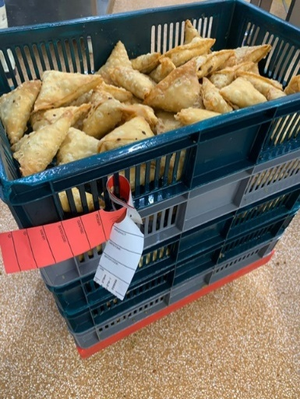 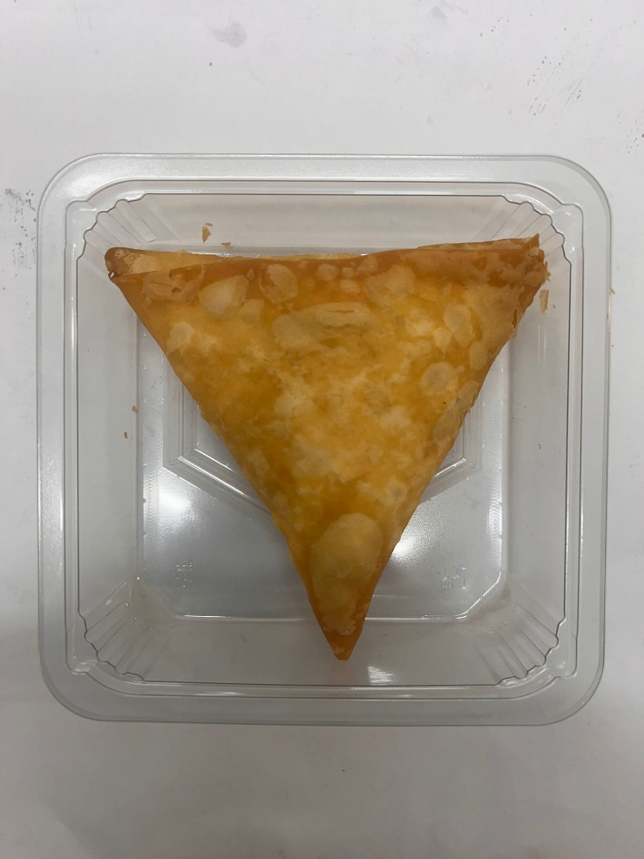

Colour coded tags-Red & White should be on the Mexican Chicken Samosa trays.

Tray: Grab & Go SQ Tray (141 X 141) (PKLEE001-13) |  |  |  |  |  | MEXICAN CHICKEN SAMOSA (GFF451R) 100 g
Film: K peel 7G+25A/f-240mm (240mmX1000) (PKKMP001-08) |  |  |  |  |  | Total Weight: 100g
ALLERGY ALERT: SOYA, WHEAT

